Sheet1
Bug Title | Procurement → Operations → Stock Inward → Stone Inward - Item grid shows Rate, Stone Amount and Discount Amount with 3 decimals although the currency is set to 2 decimals
Steps to Reproduce | 1. Login as admin (Business Unit: Cochin) 2. Navigate to: Finance → Setup → Currency → Currency Setup and note Transaction Currency INR (₹), Decimal Points 2, Rounding Mode Rounding Up (the same 2 decimals for every location - Aluva, Cochin, Kakkanad, Palakkad, Trivendrum) 3. Navigate to: Procurement → Operations → Stock Inward → Stone Inward and click Add 4. Basic Details: Inward Type Stock, Purchase Type Direct, Vendor RAJA, a new Invoice Number, Invoice Date; click Next 5. Build Items: Reference Type Combination, Stone Article Jerald (per-carat rate), Weight Entry Mode Without Tare Weight, UOM Gram, Stone No Of Pcs 4, Gross Weight 6.000, Discount 7 %, Return 5 % 6. Click Additional Charges, add the vendor charge (500.00), close the dialog and click Add Items 7. Read the item grid row
Actual Result | The item grid shows 3 amount columns with 3 decimals: Rate 45000.000, Stone Amount 1350000.000 and Discount Amount 94500.000. The other amount columns of the same row show 2 decimals: Additional Charges 500.00, Taxable Value 1256000.00, Tax Collection 10000.00, Payable Value 1266000.00, Net Payable Value 1266000.00, Return Value 13500.00. Checked on 28-09-2026: the Metal Inward and Brand Inward item grids and 38 transaction list screens show every amount with 2 decimals - only the Stone Inward item grid shows 3.
Expected Result | Every amount on the Stone Inward item grid (Rate, Stone Amount, Discount Amount) must be shown with the currency's 2 decimal points, like the other amount columns: Rate 45000.00, Stone Amount 1350000.00, Discount Amount 94500.00. Only weights (Gross / Tare / Stone Weight, Return Weight) keep 3 decimals.
Screenshot
 | Currency Setup

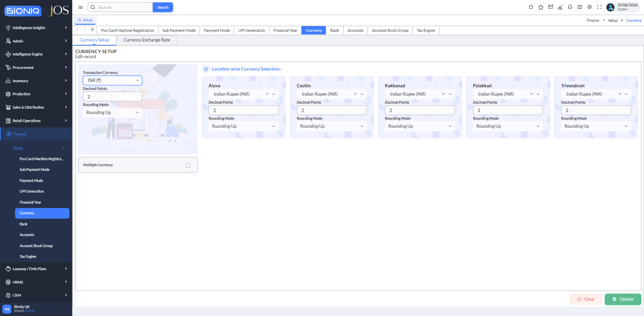

 | Currency Setup: INR (₹), Decimal Points 2, Rounding Up for the transaction currency and every location

 | Stone Inward

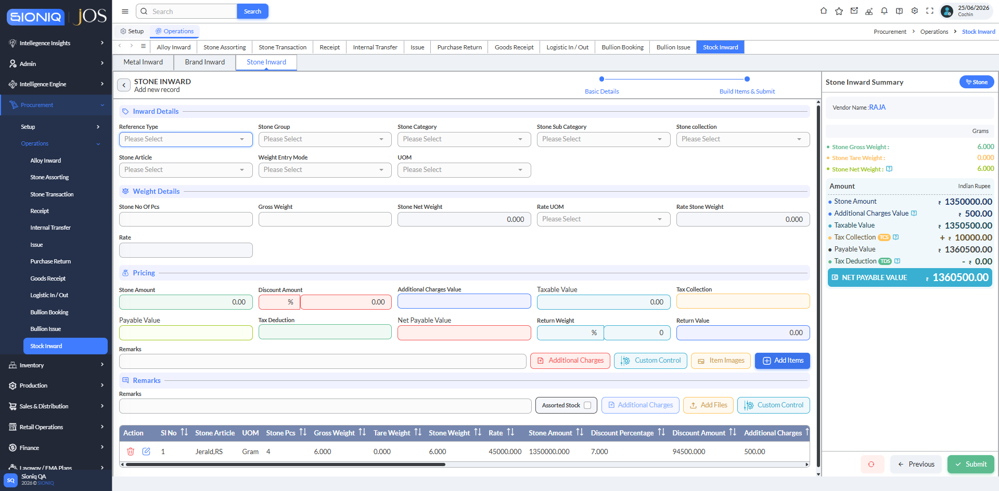

 | Item grid (bottom row): Rate 45000.000, Stone Amount 1350000.000, Discount Amount 94500.000 shown with 3 decimals, while Additional Charges shows 500.00

